Pre-Analysis Board
-

Project Split
Category One: Independent Values
Product Name
Product Type
Brand
Gender
Category
Country
Payment Mode
Category Two: Dependent Values
Quantity
Unit Price
Amount
Potential Analysis/Questions
- What is the best performing product by the amount purchased?
- What is the top brand by the amouont purchased?
- The category of goods that performed best with the total amount generated.
- The top country that sold more products.
- The most used payment type for purchases.
- What month from January - August was the highest sales made.
- The gender that a particular product is meant for and the amount generated.
Potential Columns to be appended
- Months
- Week days
Industry Type of Data
This Sneakers and streetwear dataset is for different industries which includes:
- Streetwear Fahion Industry
- Footwear Industry
- Sportwear Industry
Story of the data
This dataset talks about the different product type, highlighting its brand and category, different countries the products are purchased in and different payment mode used. By analyzing this dataset, the industry tends to understand the best performing product, the commonly used payment type, and the country that generates the most profit. This can aid in making informed decisions that can improve the performance of the firm.
Key Stakeholders
The key stakeholders of this dataset includes:
Sales and Marketing teams: To organize products and discover ways to enable more profit.
Finance Department: To monitor finances and ensure accurate use of funds.
Executive Leaders: Top make data-driven decisions and ensure operational management.
Potential Insights
- Make out the best performing Product Type by Total Amount purchaesd
- Analyze the Top Brand by Amount of revenue generated
- Make out the best performing Category by Amount purchased
- Discover the Top performing Country by Total Amount purchased
- Make the mostly used Payment type for purchases
- Explore the Monthly Sales Trends by Amount of purchases made
- Discover the gender that the product is made for and the amount generated

Tasks
- Product type by amount
- Top brand by amount
- Category by amount
- Top Country by amount
- Payment type by amount
- Monthly sales trends
- Gender by Amount

 | Colours | Shades
 | #EFFBF0 | Lightest

Product Type by Amount
Product Type by Amount
Row Labels | Sum of Amount ($)
Sneakers | $81,586.89
Hoodie | $63,109.45
Joggers | $21,342.02
Cap | $13,915.46
T-shirt | $13,149.25
Grand Total | $193,103.07

Top Brand by Amount
Row Labels | Sum of Amount ($)
Nike | $67,975.58
Adidas | $36,858.43
Top Brand by Amount
Off-White | $24,214.82
Puma | $21,342.02
Supreme | $15,647.51
New Era | $13,915.46
Essentials | $13,149.25
Grand Total | $193,103.07

Category by Amount
Row Labels | Sum of Amount ($)
Casual | $54,378.62
Streetwear | $53,725.12
Category by Amount
Limited Edition | $45,297.50
Sportswear | $39,701.83
Grand Total | $193,103.07

Top Country by Amount
Top Country by Amount
Row Labels | Sum of Amount ($)
Japan | $31,587.39
Canada | $30,851.19
Germany | $29,822.89
UK | $29,739.25
USA | $26,095.59
Australia | $24,094.02
India | $20,912.74
Grand Total | $193,103.07

Payment Type by Amount
Row Labels | Sum of Amount ($)
Wallet | 28.24%
Card | 27.87%
Payment Type by Amount
Cash on Delivery | 25.08%
UPI | 18.80%
Grand Total | 100.00%

Monthly Sales Trends
Row Labels | Sum of Amount ($)
January | $23,067.92
February | $20,393.54
Monthly Sales Trends
March | $29,043.18
April | $17,176.88
May | $20,397.44
June | $26,089.22
July | $32,073.43
August | $24,861.46
Grand Total | $193,103.07

Top Sales by Gender
Total Sales by Gender
Row Labels | Sum of Amount ($)
Women | $78,150.78
Men | $68,502.16
Unisex | $46,450.13
Grand Total | $193,103.07

Dashboard
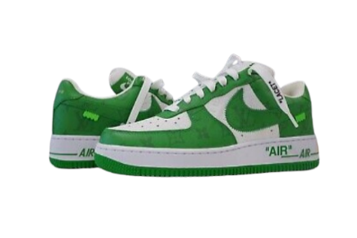
SNEAKERS & STREETWEAR SALES DATA (2022)

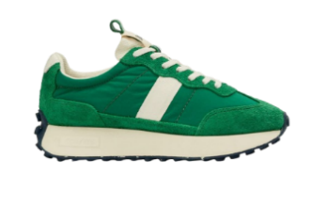
Top Brand by Amount
 | Total
Nike | $67,975.58
Adidas | $36,858.43
Off-White | $24,214.82
Puma | $21,342.02
Supreme | $15,647.51
New Era | $13,915.46
Essentials | $13,149.25
Product Type by Amount
 | Total
Sneakers | $81,586.89
Hoodie | $63,109.45
Joggers | $21,342.02
Cap | $13,915.46
T-shirt | $13,149.25

TOTAL SALES AMOUNT

Payment Type by Amount
 | Total
Wallet | 28.24%
Card | 27.87%
Cash on Delivery | 25.08%
UPI | 18.80%
Category by Amount
 | Total
Casual | $54,378.62
Streetwear | $53,725.12
Limited Edition | $45,297.50
Sportswear | $39,701.83
Total Sales by Gender
 | Total
Women | $78,150.78
Men | $68,502.16
Unisex | $46,450.13
$193,103.07

BEST SELLING PRODUCT

Sneakers
Top Country by Amount
 | Total
Japan | $31,587.39
Canada | $30,851.19
Germany | $29,822.89
UK | $29,739.25
USA | $26,095.59
Australia | $24,094.02
India | $20,912.74
Monthly Sales Trends
 | Total
January | $23,067.92
February | $20,393.54
March | $29,043.18
April | $17,176.88
May | $20,397.44
June | $26,089.22
July | $32,073.43
August | $24,861.46

TOP PERFORMING BRAND

Nike

